Histograms
High Income Countries | CO2 Emission tons per year
Argentina | 204.081
Australia | 384.362
Austria | 61.489
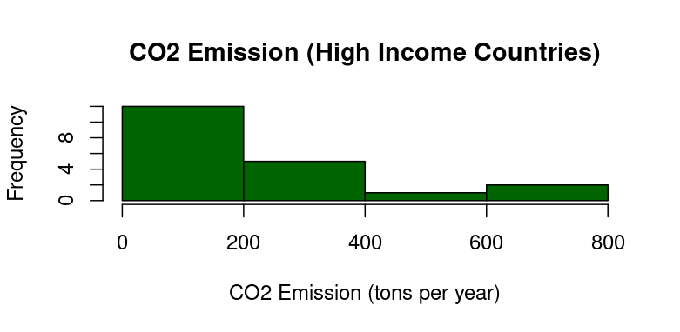
Belgium | 89.002
Canada | 550.612
Denmark | 28.432
Finland | 36.367
Germany | 671.472
Ireland | 36.711
Israel | 60.946
Norway | 40.808
Qatar | 106.152
Saudi_Arabia | 723.331
Singapore | 47.873
Spain | 234.657
Sweden | 37.474
Switzerland | 32.819
Taiwan | 273.669
United_Arab_Emirates | 225.977
Bahrain | 35.652

Upper Middle Income Countries | CO2 Emission tons per year
Albania | 5.173
Algeria | 184.558
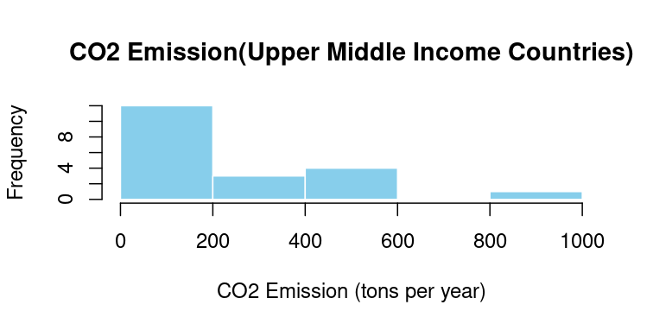
Botswana | 6.596
Brazil | 483.841
Cuba | 21.882
Hungary | 44.843
Iran | 800.747
Iraq | 171.279
Libya | 57.546
Malaysia | 285.448
Mauritius | 3.928
Mexico | 465.336
Namibia | 4.085
Poland | 315.042
Seychelles | 0.554
South Africa | 405.312
Thailand | 272.573
Tunisia | 31.948
Turkey | 437.305
Azerbaijan | 40.391

Lower Middle Income Countries | CO2 Emission tons per year
Angola | 20.250
Bangladesh | 113.863
Bolivia | 22.378
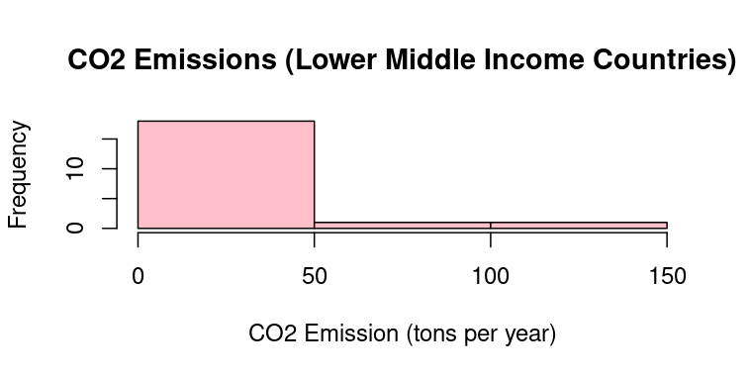
Cambodia | 19.609
Djibouti | 0.494
Ghana | 20.287
Guatemala | 19.114
Kenya | 21.397
Kyrgyzstan | 10.032
Lebanon | 18.922
Mongolia | 43.415
Morocco | 72.641
Nepal | 16.089
Nicaragua | 5.296
Senegal | 12.275
Sri Lanka | 19.903
Tajikistan | 8.966
Tanzania | 17.736
Zambia | 7.522
Zimbabwe | 10.425

Low Income Countries | CO2 Emission tons per year
Afghanistan | 10.558
Burkina Faso | 6.374
Burundi | 0.707
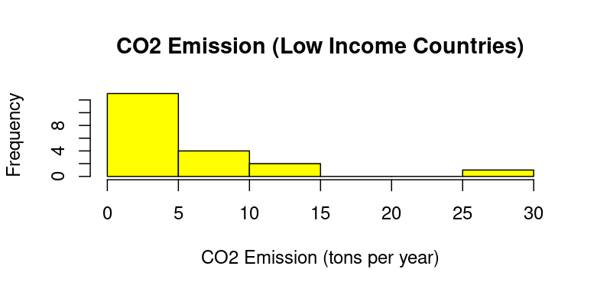
Central African Republic | 0.271
Chad | 3.005
Democratic republic of congo | 4.631
Gambia | 0.737
Guinea-Bissau | 0.309
Liberia | 0.792
Madagascar | 4.309
Malawi | 1.748
Mali | 6.988
Mozambique | 8.358
Niger | 2.697
Rwanda | 1.541
Sierra Leone | 1.278
Syria | 25.314
Togo | 2.556
Uganda | 5.638
Yemen | 10.296

Multiple Regression
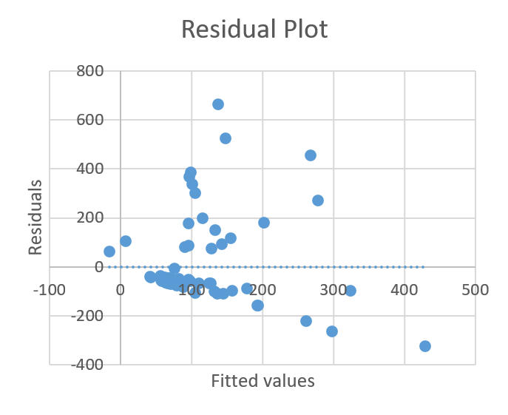
Country | Population | GDP | CO2 Emissions(tons per year) | GDP(US dollars Per million People) | Energy Consumption (kWh per person per year) | Population Density(People per km^2) | Dummy Variable(High-Income)
Argentina | 45.407904 | 854914000000 | 204.081 | 1.883E+10 | 22,050 | 17 | 1 | SUMMARY OUTPUT
Australia | 26.200987 | 1344251494400 | 384.362 | 5.131E+10 | 63,387 | 3 | 1 | Regression Statistics
Austria | 9.064679 | 398815395840 | 61.489 | 4.400E+10 | 42,122 | 110 | 1 | Multiple R | 0.39590320327
Belgium | 11.641813 | 489678405632 | 89.002 | 4.206E+10 | 59,652 | 384 | 1 | R Square | 0.15673934636
Canada | 38.82126 | 1761295597568 | 550.612 | 4.537E+10 | 102,122 | 4 | 1 | Adjusted R Square | 0.11176544483
Denmark | 5.856773 | 299429003264 | 28.432 | 5.113E+10 | 32,904 | 148 | 1 | Standard Error | 170.41047521
Finland | 5.569299 | 226154840064 | 36.367 | 4.061E+10 | 57,499 | 18 | 1 | Observations | 80
Germany | 84.086228 | 3909612732416 | 671.472 | 4.650E+10 | 41,094 | 241 | 1 | ANOVA
Ireland | 5.110013 | 308390920192 | 36.711 | 6.035E+10 | 36,487 | 74 | 1 |  | df | SS | MS | F | Significance F
Israel | 9.103144 | 336722558976 | 60.946 | 3.699E+10 | 33,817 | 421 | 1 | Regression | 4 | 404827.52472 | 101206.88118 | 3.4851178358 | 0.011508367306
Norway | 5.456795 | 482328444928 | 40.808 | 8.839E+10 | 97,780 | 15 | 1 | Residual | 75 | 2177979.7545 | 29039.73006
Qatar | 2.892465 | 381778100224 | 106.152 | 1.320E+11 | 195,336 | 252 | 1 | Total | 79 | 2582807.2792
Saudi Arabia | 32.175352 | 1823886278656 | 723.331 | 5.669E+10 | 97,903 | 15 | 1 |  | Coefficients | Standard Error | t Stat | P-value | Lower 95% | Upper 95%
Singapore | 5.649886 | 461801127936 | 47.873 | 8.174E+10 | 158,522 | 7869 | 1 | Intercept | 68.497109441 | 24.802208935 | 2.7617342318 | 0.0072259890592 | 19.088575597 | 117.90564329
Spain | 47.828386 | 1625139970048 | 234.657 | 3.398E+10 | 33,289 | 96 | 1 | GDP(US dollars Per million People) | -1.9648117695E-10 | 1.9878066601E-09 | -0.098843202858 | 0.92152647474 | -4.1563951063E-09 | 3.7634327524E-09
Sweden | 10.487333 | 494214545408 | 37.474 | 4.712E+10 | 59,279 | 26 | 1 | Energy Consumption (kWh per person per year) | 0.0019349878795 | 0.0011283210143 | 1.7149267406 | 0.090488005712 | -0.00031274284355 | 0.0041827186025
Switzerland | 8.79218 | 559384952832 | 32.819 | 6.362E+10 | 33,835 | 223 | 1 | Population Density(People per km^2) | -0.050409525907 | 0.02438591456 | -2.0671574889 | 0.042170233915 | -0.09898875883 | -0.0018302929846
Taiwan | 23.420107 | 1247874383872 | 273.669 | 5.328E+10 | 56,226 | 661 | 1 | Dummy Variable(High-Income) | 21.560668086 | 78.987572271 | 0.2729627898 | 0.78563201574 | -135.79064477 | 178.91198095
UAE | 10.242085 | 725905000000 | 225.977 | 7.087E+10 | 132,097 | 144 | 1
Bahrain | 1.533459 | 5.88E+10 | 35.652 | 3.832E+10 | 161,783 | 1941 | 1
Albania | 2.827615 | 36171005952 | 5.173 | 1.279E+10 | 9,147 | 103.20 | 0
Algeria | 45.477391 | 595820019712 | 184.558 | 1.310E+10 | 16,145 | 19.09 | 0 | RESIDUAL OUTPUT |  |  |  |  | PROBABILITY OUTPUT
Botswana | 2.439895 | 39293968384 | 6.596 | 1.610E+10 | 12,002 | 4.31 | 0
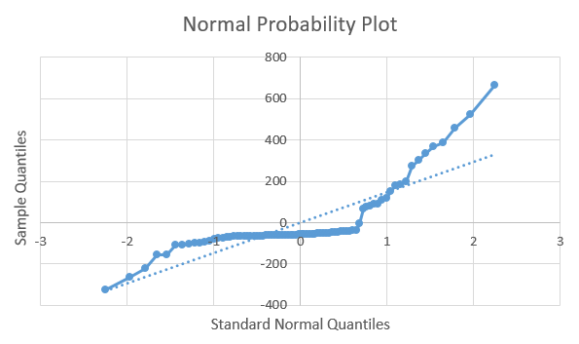
Brazil | 210.06411 | 3187413090304 | 483.841 | 1.517E+10 | 17,744 | 25.16 | 0 | Observation | Predicted CO2 Emissions(tons per year) | Residuals | Standard Residuals |  | Percentile | CO2 Emissions(tons per year)
Cuba | 11.059821 | 84154974208 | 21.882 | 7.609E+09 | 7,765 | 106.55 | 0 | 1 | 128.16794333 | 75.913056666 | 0.45719671914 |  | 0.625 | 0.271
Hungary | 9.684306 | 285385228288 | 44.843 | 2.947E+10 | 27,575 | 106.12 | 0 | 2 | 202.4781852 | 181.8838148 | 1.0954200377 |  | 1.875 | 0.309
Iran | 89.524247 | 1572209033216 | 800.747 | 1.756E+10 | 38,985 | 55.18 | 0 | 3 | 157.38163084 | -95.892630841 | -0.57752642478 |  | 3.125 | 0.494
Iraq | 44.070556 | 527639314432 | 171.279 | 1.197E+10 | 15,430 | 101.52 | 0 | 4 | 177.83745728 | -88.835457277 | -0.53502363617 |  | 4.375 | 0.554
Libya | 7.223804 | 91444477952 | 57.546 | 1.266E+10 | 30,360 | 4.11 | 0 | 5 | 278.52652994 | 272.08547006 | 1.6386717872 |  | 5.625 | 0.707
Malaysia | 34.695494 | 877584187392 | 285.448 | 2.529E+10 | 39,069 | 105.60 | 0 | 6 | 136.24226431 | -107.81026431 | -0.64930199488 |  | 6.875 | 0.737
Mauritius | 1.276134 | 26988574720 | 3.928 | 2.115E+10 | 16,851 | 639.03 | 0 | 7 | 192.41620078 | -156.04920078 | -0.93982755738 |  | 8.125 | 0.792
Mexico | 128.613113 | 2033437638656 | 465.336 | 1.581E+10 | 17,859 | 66.16 | 0 | 8 | 148.30711506 | 523.16488494 | 3.1508317471 |  | 9.375 | 1.278
Namibia | 2.889668 | 21858732032 | 4.085 | 7.564E+09 | 6,222 | 3.51 | 0 | 9 | 145.06370799 | -108.35270799 | -0.65256893579 |  | 10.625 | 1.541
Poland | 38.385734 | 1231021277184 | 315.042 | 3.207E+10 | 30,920 | 125.40 | 0 | 10 | 127.01943214 | -66.073432139 | -0.39793624079 |  | 11.875 | 1.748
Seychelles | 0.125532 | 3053368064 | 0.554 | 2.432E+10 | 28,729 | 272.90 | 0 | 11 | 261.13941399 | -220.33141399 | -1.3269759383 |  | 13.125 | 2.556
South Africa | 62.378419 | 723559317504 | 405.312 | 1.160E+10 | 21,581 | 51.42 | 0 | 12 | 429.40758796 | -323.25558796 | -1.9468507889 |  | 14.375 | 2.697
Thailand | 71.73532 | 1124143726592 | 272.573 | 1.567E+10 | 19,347 | 140.41 | 0 | 13 | 267.60610723 | 455.72489277 | 2.7446652125 |  | 15.625 | 3.005
Tunisia | 12.119336 | 129457963008 | 31.948 | 1.068E+10 | 10,087 | 78.01 | 0 | 14 | -15.933097547 | 63.806097547 | 0.38428090952 |  | 16.875 | 3.928
Turkey | 87.05847 | 2385996414976 | 437.305 | 2.741E+10 | 22,618 | 113.12 | 0 | 15 | 142.97111143 | 91.685888573 | 0.55219074673 |  | 18.125 | 4.085
Azerbaijan | 10.295307 | 175370551296 | 40.391 | 1.703E+10 | 20,425 | 124.57 | 0 | 16 | 194.20514969 | -156.73114969 | -0.94393468755 |  | 19.375 | 4.309
Angola | 35.635028 | 158346248192 | 20.250 | 4.444E+09 | 2,714 | 28.58 | 0 | 17 | 131.8100073 | -98.991007301 | -0.59618681885 |  | 20.625 | 4.631
Bangladesh | 169.38489 | 858143916032 | 113.863 | 5.066E+09 | 3,024 | 1,301.26 | 0 | 18 | 155.04457424 | 118.62442576 | 0.71443175458 |  | 21.875 | 5.173
Bolivia | 12.077155 | 78165311488 | 22.378 | 6.472E+09 | 8,555 | 11.15 | 0 | 19 | 324.46834399 | -98.491343988 | -0.59317752851 |  | 23.125 | 5.296
Cambodia | 17.201717 | 65136594944 | 19.609 | 3.787E+09 | 3,827 | 97.45 | 0 | 20 | 297.72633487 | -262.07433487 | -1.5783783625 |  | 24.375 | 5.638
Djibouti | 1.1371 | 3395681536 | 0.494 | 2.986E+09 | 2,926 | 49.06 | 0 | 21 | 78.481300683 | -73.308300683 | -0.4415092216 |  | 25.625 | 6.374
Ghana | 33.149151 | 145431871488 | 20.287 | 4.387E+09 | 3,111 | 145.69 | 0 | 22 | 96.201422815 | 88.356577185 | 0.53213951562 |  | 26.875 | 6.596
Guatemala | 17.847877 | 146224644096 | 19.114 | 8.193E+09 | 5,354 | 166.55 | 0 | 23 | 88.339650025 | -81.743650025 | -0.49231226147 |  | 28.125 | 6.988
Kenya | 54.252456 | 190362157056 | 21.397 | 3.509E+09 | 1,610 | 95.32 | 0 | 24 | 98.582197929 | 385.25880207 | 2.3202735875 |  | 29.375 | 7.522
Kyrgyzstan | 6.955792 | 31703001088 | 10.032 | 4.558E+09 | 7,570 | 36.27 | 0 | 25 | 76.655964861 | -54.773964861 | -0.32988366072 |  | 30.625 | 8.358
Lebanon | 5.744494 | 48741707776 | 18.922 | 8.485E+09 | 12,473 | 561.53 | 0 | 26 | 110.71542496 | -65.87242496 | -0.39672564768 |  | 31.875 | 8.966
Mongolia | 3.386015 | 44809465856 | 43.415 | 1.323E+10 | 15,471 | 2.17 | 0 | 27 | 137.70097513 | 663.04602487 | 3.9932849568 |  | 33.125 | 10.032
Morocco | 37.329069 | 311654973440 | 69.506 | 8.349E+09 | 7,146 | 83.64 | 0 | 28 | 90.884060463 | 80.394939537 | 0.48418946893 |  | 34.375 | 10.296
Nepal | 29.715434 | 95965913088 | 16.089 | 3.229E+09 | 1,874 | 207.29 | 0 | 29 | 124.54865994 | -67.00265994 | -0.40353264173 |  | 35.625 | 10.425
Nicaragua | 6.730661 | 32764782592 | 5.296 | 4.868E+09 | 3,190 | 55.93 | 0 | 30 | 133.80150816 | 151.64649184 | 0.91331164338 |  | 36.875 | 10.558
Senegal | 17.651099 | 51913994240 | 12.275 | 2.941E+09 | 2,558 | 91.68 | 0 | 31 | 64.734348152 | -60.806348152 | -0.36621451037 |  | 38.125 | 12.275
Sri Lanka | 22.834964 | 254748606464 | 19.903 | 1.116E+10 | 4,266 | 369.14 | 0 | 32 | 96.611876184 | 368.72412382 | 2.2206912365 |  | 39.375 | 16.089
Tajikistan | 10.182229 | 50544009216 | 8.966 | 4.964E+09 | 4,825 | 73.36 | 0 | 33 | 78.873543792 | -74.788543792 | -0.45042418726 |  | 40.625 | 17.736
Tanzania | 64.711821 | 198220414976 | 17.736 | 3.063E+09 | 1,187 | 73.05 | 0 | 34 | 115.7034008 | 199.3385992 | 1.2005438531 |  | 41.875 | 18.922
Zambia | 20.152934 | 68469604352 | 7.522 | 3.398E+09 | 1,987 | 27.11 | 0 | 35 | 105.55183806 | -104.99783806 | -0.63236377493 |  | 43.125 | 19.114
Zimbabwe | 16.069061 | 25901586432 | 10.425 | 1.612E+09 | 3,633 | 41.54 | 0 | 36 | 105.38428382 | 299.92771618 | 1.8063555051 |  | 44.375 | 19.609
Afghanistan | 40.578846 | 53303472128 | 10.558 | 1.314E+09 | 1112 | 62.22 | 0 | 37 | 95.776654483 | 176.79634552 | 1.0647800613 |  | 45.625 | 19.903
Burkina Faso | 22.509037 | 37320441856 | 6.374 | 1.658E+09 | 1012 | 82.27 | 0 | 38 | 81.984551458 | -50.036551458 | -0.30135194351 |  | 46.875 | 20.25
Burundi | 13.321101 | 9177076736 | 0.707 | 6.889E+08 | 273 | 518.73 | 0 | 39 | 101.17469303 | 336.13030697 | 2.024390537 |  | 48.125 | 20.287
Central African Republic | 5.098038 | 3752056576 | 0.271 | 7.360E+08 | 275 | 8.18 | 0 | 40 | 98.393974977 | -58.002974977 | -0.34933081375 |  | 49.375 | 21.397
Chad | 18.455319 | 24118011904 | 3.005 | 1.307E+09 | 448 | 14.66 | 0 | 41 | 71.434371984 | -51.184371984 | -0.3082648489 |  | 50.625 | 21.882
Democratic Republic of Congo | 102.396974 | 91314987008 | 4.631 | 8.918E+08 | 363 | 45.17 | 0 | 42 | 7.7567186325 | 106.10628137 | 0.63903952564 |  | 51.875 | 22.378
Gambia | 26.36473 | 4656793600 | 0.737 | 1.766E+08 | 796 | 260.52 | 0 | 43 | 83.216462236 | -60.838462236 | -0.36640792182 |  | 53.125 | 25.314
Guinea-Bissau | 2.105537 | 3259313920 | 0.309 | 1.548E+09 | 1533 | 57.20 | 0 | 44 | 70.245294901 | -50.636294901 | -0.30496398004 |  | 54.375 | 28.432
Liberia | 5.193422 | 4231560960 | 0.792 | 8.148E+08 | 531 | 55.79 | 0 | 45 | 71.098773036 | -70.604773036 | -0.42522685827 |  | 55.625 | 31.948
Madagascar | 30.437263 | 38602186752 | 4.309 | 1.268E+09 | 544 | 52.32 | 0 | 46 | 66.309929009 | -46.022929009 | -0.27717935586 |  | 56.875 | 32.819
Malawi | 20.568731 | 26465351680 | 1.748 | 1.287E+09 | 536 | 218.17 | 0 | 47 | 68.850905468 | -49.736905468 | -0.29954728474 |  | 58.125 | 35.652
Mali | 23.072639 | 30551085056 | 6.988 | 1.324E+09 | 1269 | 18.91 | 0 | 48 | 66.117701992 | -44.720701992 | -0.26933651636 |  | 59.375 | 36.367
Mozambique | 32.65624 | 31441725440 | 8.358 | 9.628E+08 | 1721 | 41.53 | 0 | 49 | 80.420470033 | -70.388470033 | -0.42392414399 |  | 60.625 | 36.711
Niger | 25.311977 | 24776755200 | 2.697 | 9.789E+08 | 533 | 19.98 | 0 | 50 | 62.658744997 | -43.736744997 | -0.26341050139 |  | 61.875 | 37.474
Rwanda | 13.651026 | 28466253824 | 1.541 | 2.085E+09 | 498 | 553.35 | 0 | 51 | 95.724134436 | -52.309134436 | -0.3150388839 |  | 63.125 | 40.391
Sierra Leone | 8.276808 | 11681270784 | 1.278 | 1.411E+09 | 669 | 114.67 | 0 | 52 | 76.468362782 | -6.9623627819 | -0.041931777762 |  | 64.375 | 40.808
Syria | 22.46217 | 52353138688 | 25.314 | 2.331E+09 | 4112 | 122.32 | 0 | 53 | 61.038554761 | -44.949554761 | -0.27071481331 |  | 65.625 | 43.415
Togo | 8.644829 | 13482266624 | 2.556 | 1.560E+09 | 1296 | 167.12 | 0 | 54 | 70.894431991 | -65.598431991 | -0.39507548772 |  | 66.875 | 44.843
Uganda | 47.312718 | 101995421696 | 5.638 | 2.156E+09 | 663 | 41.54 | 0 | 55 | 68.247496488 | -55.972496488 | -0.33710198061 |  | 68.125 | 47.873
Yemen | 38.22288 | 60852994048 | 10.296 | 1.592E+09 | 894 | 72.40 | 0 | 56 | 55.951077368 | -36.048077368 | -0.2171044538 |  | 69.375 | 57.546
 |  |  |  |  |  |  |  | 57 | 73.159289427 | -64.193289427 | -0.38661282533 |  | 70.625 | 60.946
 |  |  |  |  |  |  |  | 58 | 66.509774609 | -48.773774609 | -0.29374669801 |  | 71.875 | 61.489
 |  |  |  |  |  |  |  | 59 | 70.307424061 | -62.785424061 | -0.37813376448 |  | 73.125 | 69.506
 |  |  |  |  |  |  |  | 60 | 73.116422314 | -62.691422314 | -0.37756762616 |  | 74.375 | 89.002
 |  |  |  |  |  |  |  | 61 | 67.25363906 | -56.69563906 | -0.34145720521 |  | 75.625 | 106.152
 |  |  |  |  |  |  |  | 62 | 65.982053027 | -59.608053027 | -0.35899761484 |  | 76.875 | 113.863
 |  |  |  |  |  |  |  | 63 | 42.741528823 | -42.034528823 | -0.25315867273 |  | 78.125 | 171.279
 |  |  |  |  |  |  |  | 64 | 68.47301953 | -68.20201953 | -0.41075594815 |  | 79.375 | 184.558
 |  |  |  |  |  |  |  | 65 | 68.368528272 | -65.363528272 | -0.39366074809 |  | 80.625 | 204.081
 |  |  |  |  |  |  |  | 66 | 66.748138453 | -62.117138453 | -0.37410892343 |  | 81.875 | 225.977
 |  |  |  |  |  |  |  | 67 | 56.870581433 | -56.133581433 | -0.33807213663 |  | 83.125 | 234.657
 |  |  |  |  |  |  |  | 68 | 68.275172334 | -67.966172334 | -0.4093355263 |  | 84.375 | 272.573
 |  |  |  |  |  |  |  | 69 | 66.552668954 | -65.760668954 | -0.39605258193 |  | 85.625 | 273.669
 |  |  |  |  |  |  |  | 70 | 66.664010447 | -62.355010447 | -0.3755415399 |  | 86.875 | 285.448
 |  |  |  |  |  |  |  | 71 | 58.283506725 | -56.535506725 | -0.34049278642 |  | 88.125 | 315.042
 |  |  |  |  |  |  |  | 72 | 69.738764638 | -62.750764638 | -0.37792502339 |  | 89.375 | 384.362
 |  |  |  |  |  |  |  | 73 | 69.544583479 | -61.186583479 | -0.3685045294 |  | 90.625 | 405.312
 |  |  |  |  |  |  |  | 74 | 68.328750396 | -65.631750396 | -0.39527615236 |  | 91.875 | 437.305
 |  |  |  |  |  |  |  | 75 | 41.156981095 | -39.615981095 | -0.23859263976 |  | 93.125 | 465.336
 |  |  |  |  |  |  |  | 76 | 63.734793217 | -62.456793217 | -0.37615454048 |  | 94.375 | 483.841
 |  |  |  |  |  |  |  | 77 | 69.829048871 | -44.515048871 | -0.26809794244 |  | 95.625 | 550.612
 |  |  |  |  |  |  |  | 78 | 62.273006389 | -59.717006389 | -0.3596538013 |  | 96.875 | 671.472
 |  |  |  |  |  |  |  | 79 | 67.262907151 | -61.624907151 | -0.37114439339 |  | 98.125 | 723.331
 |  |  |  |  |  |  |  | 80 | 66.264647451 | -55.968647451 | -0.33707879926 |  | 99.375 | 800.747

